Notes 2-1-21
2020-11-27 | First attempt, assumed DREADDs didn't work
 | Likely recorded in areas with maximum fluor of PV somas
 | File A - not PV - variable responses, sometimes full stop, sometimes pause (with and without CNO), but pulling consecutive sweeps am able to get "good" data
 | File B - PV - higher MFs for CNO

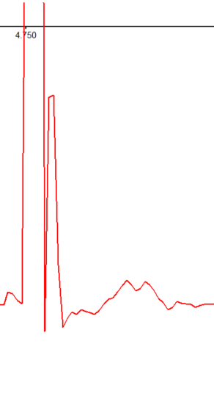
2020-12-26 | A - PV - higher MFs for CNO
 | B - no change, no evidence of hidden antidromicity | not PV
 | C- no change, no evidence of hidden antidromicity | not PV
 | D - no change, no evidence of hidden antidromicity | not PV
 | E - no change, no evidence of hidden antidromicity | not PV

2020-12-27 | A - PV; stat sig decrease in MF
 | B - Not PV; initial response is nearly full stop, but this minimizes prior to CNO wash in; using most representative prior to wash in vs post CNO still shows effect however
 | C - similar to B
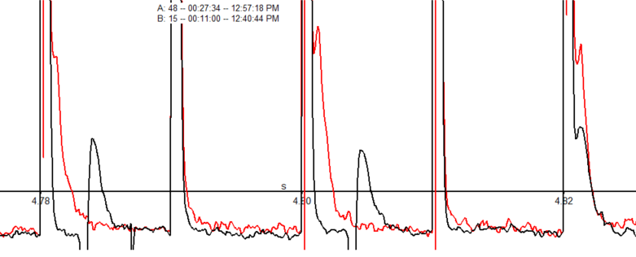
 | D - PV stat insig change

2021-01-30 | A - PV; MFs stat sig increase
 | B - Not PV - Stim artifact noticeably broader (0.0028), nearly twice that of prev recordings, and somewhat oddly shaped; no change
 | C - antidromically driven, didn't notice during experiment, pre and post largely same; show speeding…however, speeding is greater post CNO
 | D - PV; stim artifact is oddly shaped still, and there is antidromicity that rides on top of artifacts pre and post; careful examination means I trust the numbers in reanalysis as not being a result of the weird artifact
 | E - not PV; 1.0mA stim makes bursty, didn't follow protocol to avoid angering (mostly stimmed at 0.1mA); still full stop at 0.1mA, mixtures of full and partial stops at both 0.1mA and 1.0mA, pre and post CNO

2021-01-31 | A - Lhx6; still broad stim artifacts, not to be confused with antidromic spikes; hard to determine where to threshold/stim artifact width for Pre, so just analyzed down pre and post; speeds more with post (pre some spikes); more consistendt post stim pause post

Do not include any data from 12/26; tissue quality was horrible and I was only patching in fields with super bright PV somas

